Indices

 | Iraq Stock Exchange
 | Bulletin No (42)
 | ISX Trading Indices of Wednesday 4/3/2026

 | Traded Volume and OTC |  | 602,987,189 |  | Traded Value and OTC |  | 745,291,478 |  | Traders | 924

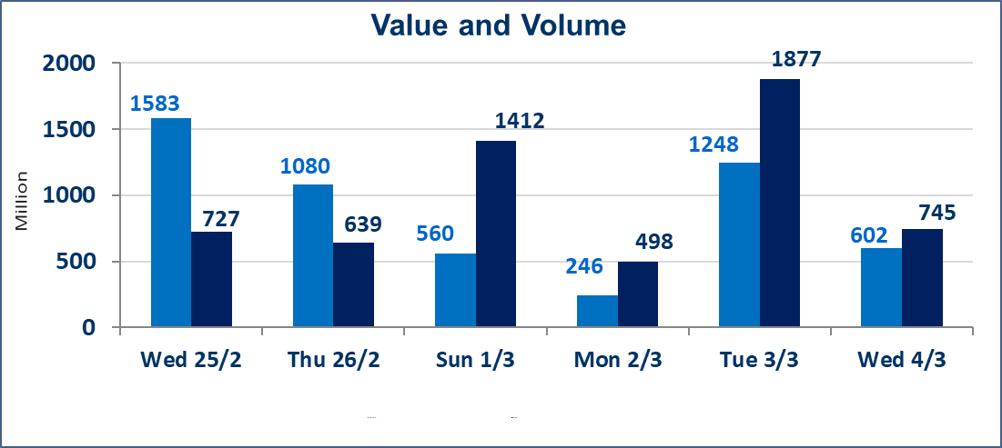
 | ISX Index 60 |  |  | 941.59 | ISX Index 15 |  |  | 1201.64
 | Previous ISX Index60 |  |  | 937.66 | Previous ISX Index15 |  |  | 1187.26
 | Change % |  |  | 0.42 | Change % |  |  | 1.21
 | Change |  |  | 3.93 | Change |  |  | 14.38

 | Listed Companies | 104 | OTC | 14 | Non Traded listed | 38 | OTC | 12
 | Traded Listed Companies | 56 | OTC | 2 | Higher Companies |  |  | 14
 | GAM Companies |  |  | 0 | Lower Companies |  |  | 16
 | Suspended Companies |  |  | 10
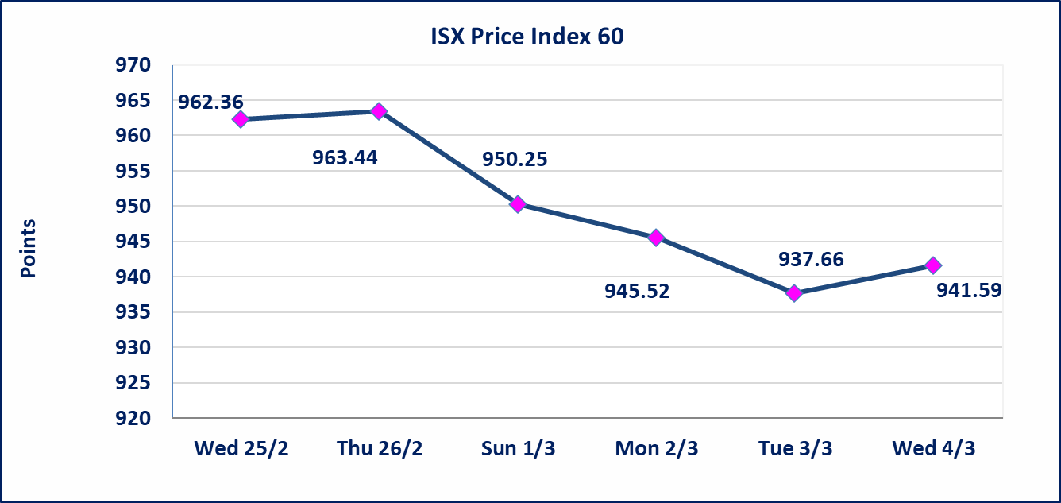
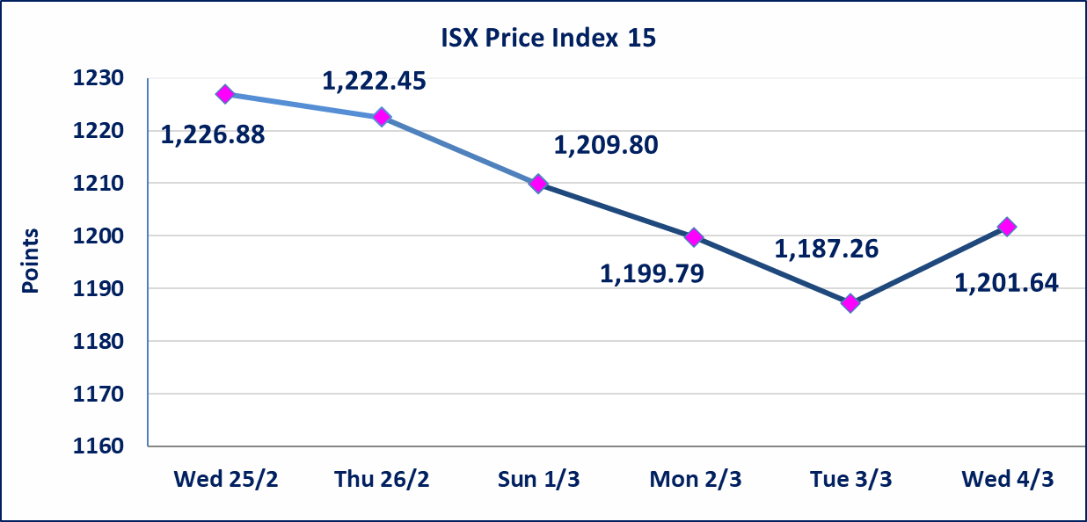

Al-Alwiya P.O . 3607 Mobile: 07711211522 - 07270094594 - 07834000034 E-mail: info-isx@isx-iq.net Web site:www.isx-iq.net

Top 5
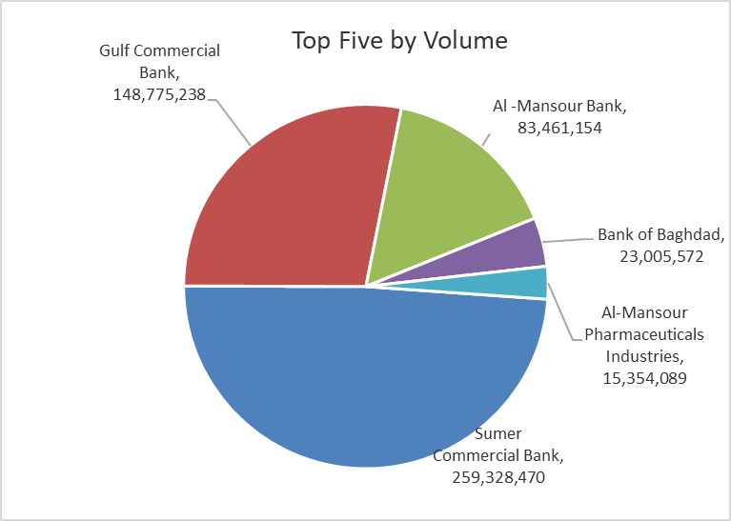
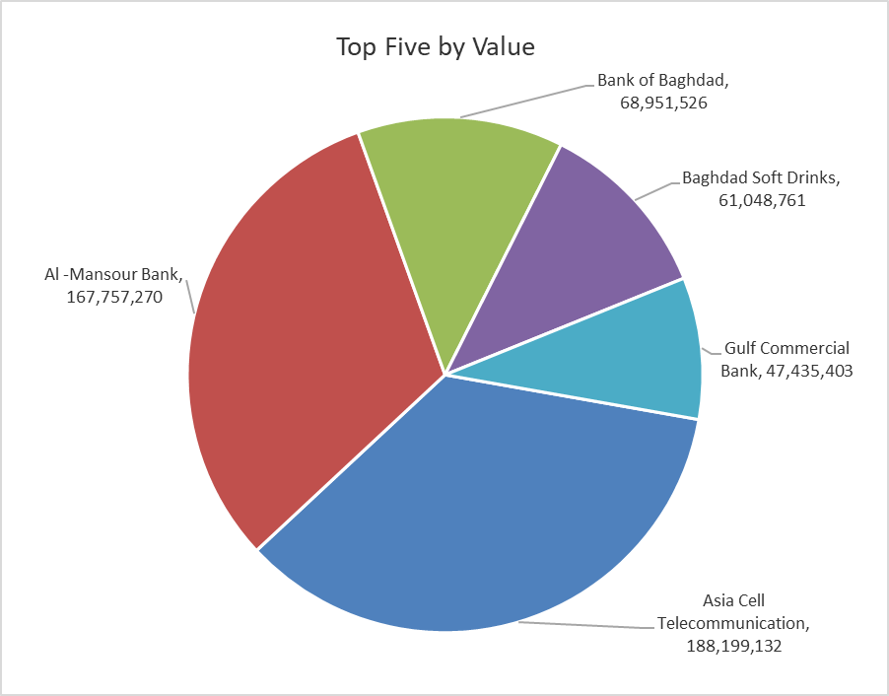

ISX top ganing and losing companies
Wednesday 4/3/2026
 | Gainers |  |  |  | Losers
 | Company Name | Closing Price | Change (%) | Traded Volume | Company Name | Closing Price | Change (%) | Traded Volume
 | Al-Hilal Industries | 1.520 | 4.83 | 674,209 | Mosul Bank For Investment | 0.120 | -7.69 | 2,500,000
 | Kharkh Tour Amuzement City | 4.190 | 4.75 | 1,072,997 | Baghdad for Packing Materials | 2.850 | -5.00 | 200,000
 | Iraqi Carton Manufactories | 2.470 | 4.22 | 1,334,175 | Al-Ahlyia agricultural production | 2.910 | -4.59 | 20,813
 | Al-Kindi of Veterinary Vaccines | 2.500 | 4.17 | 10,000 | Modern Construction Materials | 1.040 | -4.59 | 503,033
 | Gulf Commercial Bank | 0.320 | 3.23 | 148,775,238 | Economy Bank | 0.210 | -4.55 | 480,000
 | The most active companies in term of traded volume and value

 | Traded Volume |  |  |  | Traded Value
 | Company Name | Closing Price | Change (%) | Traded Volume | Company Name | Closing Price | Change (%) | Traded Value
 | Sumer Commercial Bank | 0.140 | 0.00 | 259,328,470 | Asia Cell Telecommunication | 14.450 | 2.48 | 188,199,132
 | Gulf Commercial Bank | 0.320 | 3.23 | 148,775,238 | Al -Mansour Bank | 2.030 | 0.50 | 167,757,270
 | Al -Mansour Bank | 2.030 | 0.50 | 83,461,154 | Bank of Baghdad | 3.000 | 1.01 | 68,951,526
 | Bank of Baghdad | 3.000 | 1.01 | 23,005,572 | Baghdad Soft Drinks | 5.620 | -0.35 | 61,048,761
 | Al-Mansour Pharmaceuticals Industries | 2.000 | 0.00 | 15,354,089 | Gulf Commercial Bank | 0.320 | 3.23 | 47,435,403

Non Iraqi

Iraq Stock Exchange
Non Iraqis' Bulletin Wednesday March 4 2026
Regular Market

Non Iraqi Trading of Regular Market (Buy)
Company Names | Code | No.of trades | Traded Shares | Trading Volume
Banks Sector
Bank Of Baghdad | BBOB | 3 | 533,134 | 1,584,402
Sumer Commerical Bank | BSUC | 3 | 9,000,000 | 1,260,000
Gulf Commercial Bank | BGUC | 2 | 5,000,000 | 1,600,000
Al-Mansour Bank | BMNS | 1 | 49,454 | 99,403
Total Bank sector |  | 9 | 14,582,588 | 4,543,805
Grand Total |  | 9 | 14,582,588 | 4,543,805

Non Iraqi Trading of Regular Market (Sell)
Company Names | Code | No.of trades | Traded Shares | Trading Volume
Industry Sector
Baghdad Soft Drinks | IBSD | 13 | 2,073,112 | 11,658,391
Total Industry sector |  | 13 | 2,073,112 | 11,658,391
Telecommunication Sector
Asia cell | TASC | 23 | 5,000,000 | 71,002,800
Total Telecommunication sector |  | 23 | 5,000,000 | 71,002,800
Grand Total |  | 36 | 7,073,112 | 82,661,191

Non Iraqi Trading of Second Market (BUY)
Company Names | Code | No. of trades | Traded Volume | Traded Value
Banks Sector
Credit Bank Of Iraq | BROI | 1 | 407,489 | 240,419
Total Bank sector |  | 1 | 407,489 | 240,419
Grand Total |  | 1 | 407,489 | 240,419

Not Trading Bonds

Iraq Stock Exchange
Tuesday 3/3/2026
Not Trading Bonds Bulletin
Bond type | Publish type | Code | last trading price | immortilize date
Banaa Bonds /Million ID | Second | CB20 | 964,981 | 19/12/2025
Eamar Bonds /Million ID | First | CB30 | 1,001,095 | ــــــــــــــــ
Eamar Bonds /Million ID | Second | CB40 | ــــــــــــــــ | ــــــــــــــــ
Eamar Bonds /500 Thousand ID | Third | CB45 | ــــــــــــــــ | ــــــــــــــــ
Eamar Bonds /Million ID | Third | CB50 | ــــــــــــــــ | ــــــــــــــــ
Injaz Bonds /500 Thousand ID | First | CB55 | ــــــــــــــــ | ــــــــــــــــ
Injaz Bonds /Million ID | First | CB60 | ــــــــــــــــ | ــــــــــــــــ
Injaz Bonds /500 Thousand ID | Second | CB65 | 503,793 | ــــــــــــــــ
Injaz Bonds /Million ID | Second | CB70 | 1,026,082 | ــــــــــــــــ
Injaz Bonds /500 Thousand ID | Third | CB75 | ــــــــــــــــ | ــــــــــــــــ
Injaz Bonds /Million ID | Third | CB80 | 978,182 | ــــــــــــــــ
National Bonds/Million ID | First | CB90 | ــــــــــــــــ | ــــــــــــــــ
National Bonds/500 Thousand ID | Second | CB95 | ــــــــــــــــ | ــــــــــــــــ
National Bonds/Million ID | Second | CB100 | ــــــــــــــــ | ــــــــــــــــ

